OFFER
COMPANY NAME
NAME*
COMPANY NAME
DATE*
SALES REP*
EMAIL*
PHONE #*
PAYMENT CURRENCY (€/£)*
BILLING ADDRESS*
ORDER NUMBER
PRE/IN HAND
DELIVERY TYPE

BRAND | PIC |  | CATEGORY | CODE | DESCRIPTION | COLOUR | COMPOSITION | C.O.O | QTY | RRP € | RRP TOT €
GUCCI |  | 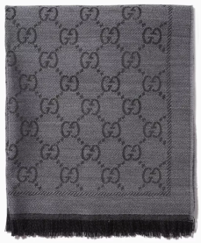 | SCARF | 3G200411115 | 180x50 SCARVES SMALL GG | GREY/CHARCOAL | 100% WOOL | ITALY | 100 | € 365.00 | € 36,500.00
GUCCI |  | 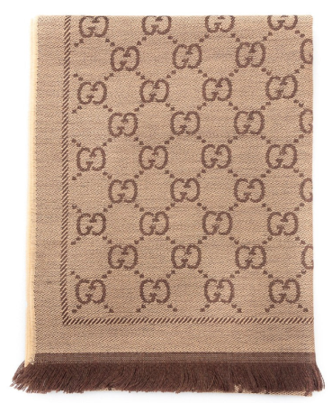 | SCARF | 3G200411115 | 180x50 SCARVES SMALL GG | GOLD/CHOC | 100% WOOL | ITALY | 100 | € 365.00 | € 36,500.00
GUCCI | 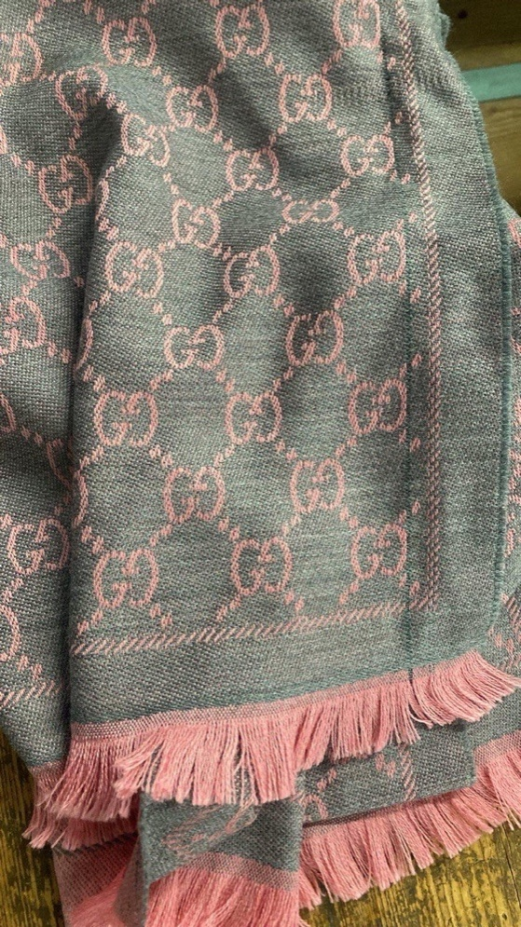 | 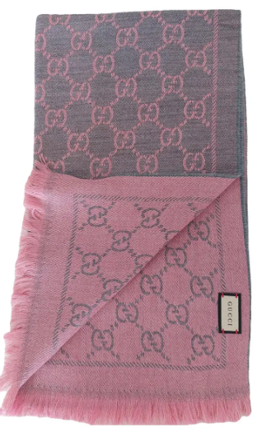 | SCARF | 3G200411115 | 180x50 SCARVES SMALL GG | GREY/PINK | 100% WOOL | ITALY | 100 | € 365.00 | € 36,500.00
GUCCI | 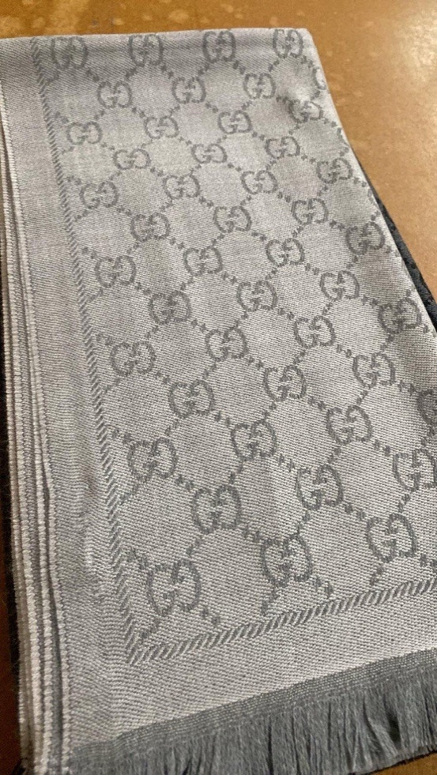 | 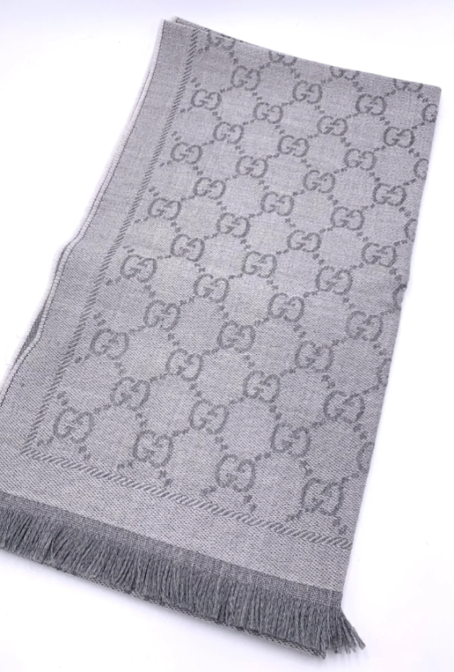 | SCARF | 3G200411115 | 180x50 SCARVES SMALL GG | BEIGE/SILVER | 100% WOOL | ITALY | 100 | € 365.00 | € 36,500.00
GUCCI | 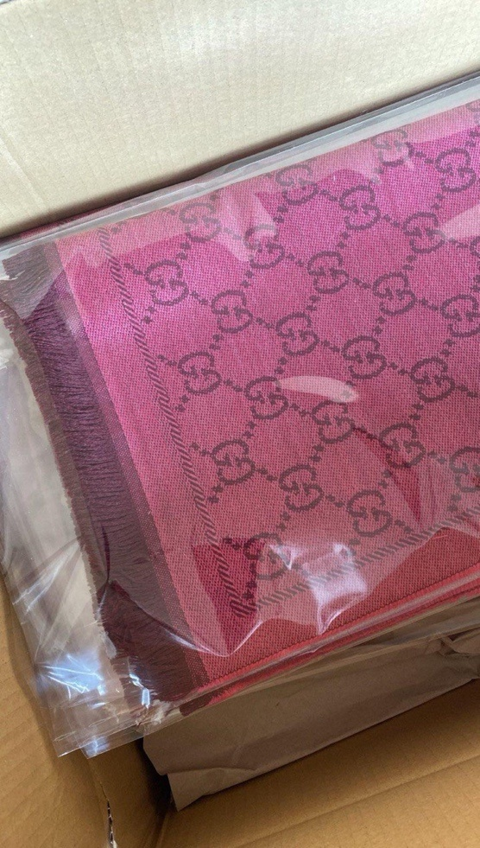 | 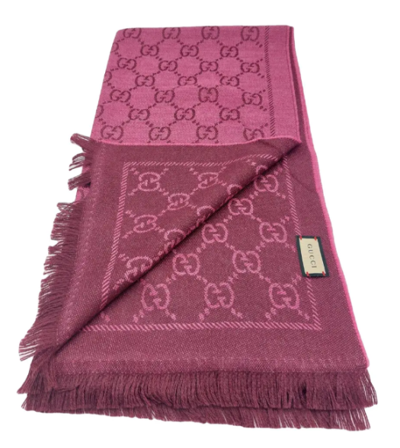 | SCARF | 3G200411115 | 180x50 SCARVES SMALL GG | PINK/WINE | 100% WOOL | ITALY | 100 | € 365.00 | € 36,500.00
 |  |  |  |  |  |  |  |  | 500 |  | € 182,500.00

